Use Case
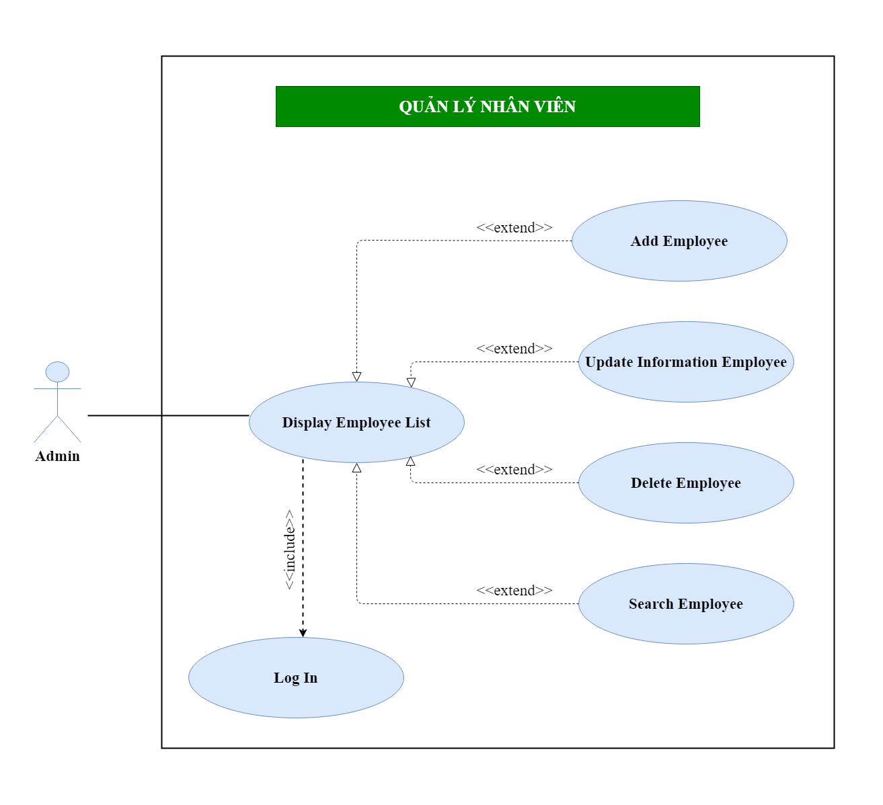
6.5.3. Quản lý nhân viên
6.5.3.1. Danh sách nhân viên
6.5.3.2. Thêm nhân viên
6.5.3.3. Sửa nhân viên
6.5.3.4. Xóa nhân viên

Class Diagram
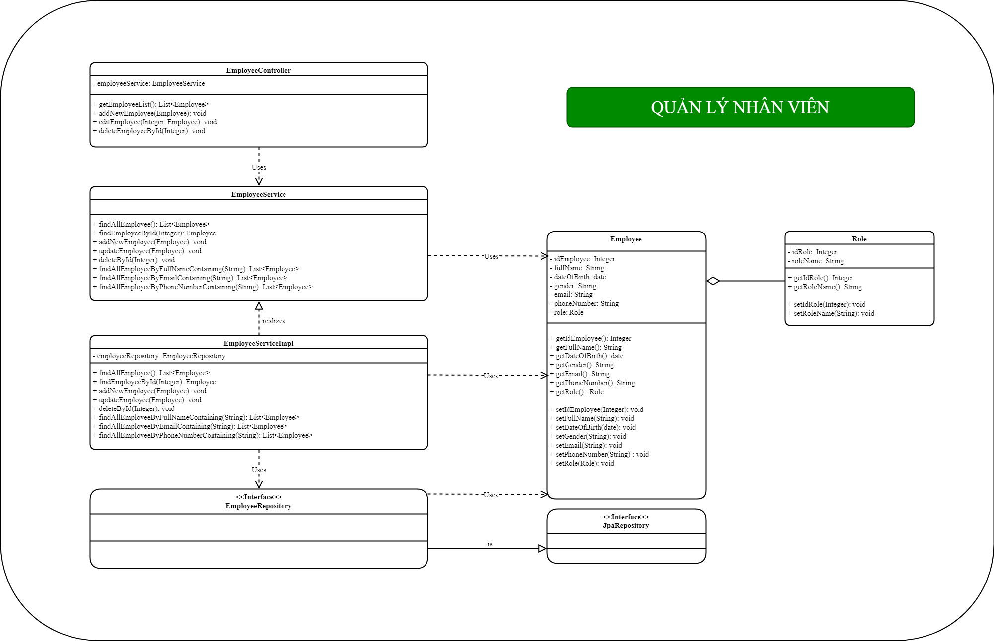
6.5.3. Quản lý nhân viên
6.5.3.1. Danh sách nhân viên
6.5.3.2. Thêm nhân viên
6.5.3.3. Sửa nhân viên
6.5.3.4. Xóa nhân viên

